Sheet1
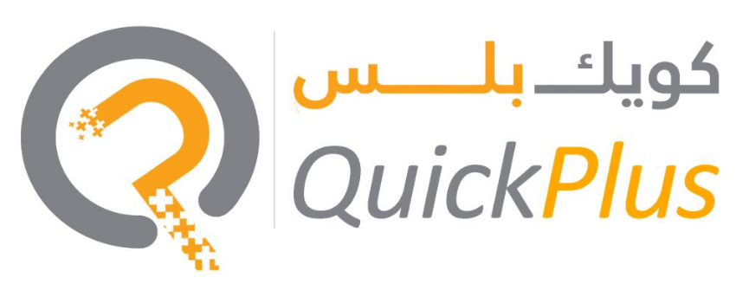

 |  | Quotation

Date: | 2024-06-07 | Quote No:
 |  | Bill To:
 |  | Business Activity: family visa -

Phase 2 – Immigration & family Visa 2 years visa (inside) |  |  | Cost

File Opening |  |  | AED 240.00
Deposit |  |  |  | AED 3,000.00
Entry Permit |  |  | AED 1,088.00
Status Change |  |  | AED 640.00
Medical (Basic/Normal) |  |  | AED 322.00
Emirates ID |  |  |  | AED 383.00
Stamping |  |  |  | AED 460.00
service fee |  |  | AED 500.00
Total |  |  | AED 6,633.00
 |  |  | (Fee Inside the Country)

Terms & Conditions
All the government & POA charges will be borne by you on actual Any queries on this invoice must be raised within seven days from the issuance date of the invoice. Government fees are approximate Please note that prices are subject to change anytime as per the government Quotation valid for 4 days

Quick Plus Business consultant LLC
Amman Road - Al Qusais Industrial Area - Al Qusais Industrial Area 3 - Dubai

www.amerquickplus.ae

